100mF0.5
File {name: "VL1.csv", lastModified: 1608081530000, lastModifiedDate: Tue Dec 15 2020 17:18:50 GMT-0800 (Pacific Standard Time), webkitRelativePath: "", size: 65, …}
simulation.js:32 File {name: "VL1.csv", lastModified: 1608081530000, lastModifiedDate: Tue Dec 15 2020 17:18:50 GMT-0800 (Pacific Standard Time), webkitRelativePath: "", size: 65, …}
simulation.js:1990 1I j:famKey 97:-1 infected by red i:famKey 5:-1 at gen 61 in Univ0
simulation.js:2006 2I i:famKey 89:-1 infected by red j:famKey 97:-1 at gen 249 in U0
simulation.js:2006 3I i:famKey 38:-1 infected by blue j:famKey 89:-1 at gen 345 in U0
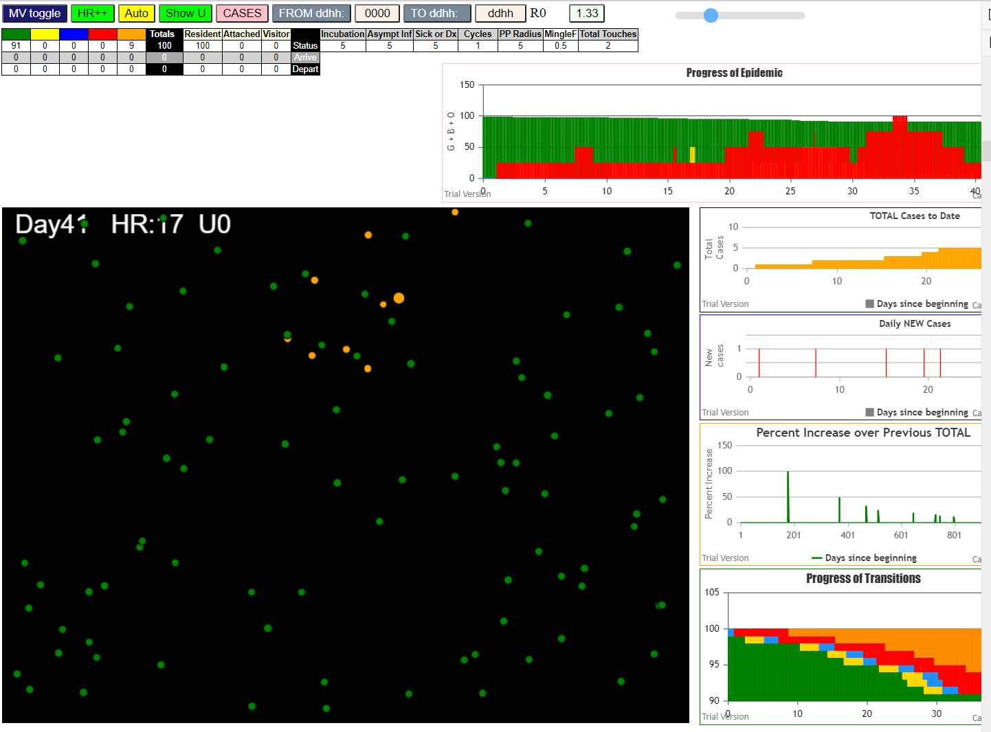
simulation.js:2006 4I i:famKey 40:-1 infected by red j:famKey 89:-1 at gen 402 in U0
simulation.js:1990 5I j:famKey 59:-1 infected by red i:famKey 40:-1 at gen 522 in Univ0
simulation.js:1990 6I j:famKey 48:-1 infected by red i:famKey 38:-1 at gen 604 in Univ0
simulation.js:2006 7I i:famKey 31:-1 infected by red j:famKey 40:-1 at gen 621 in U0
simulation.js:2006 8I i:famKey 19:-1 infected by red j:famKey 59:-1 at gen 677 in U0

 | R = 1.53

100

100mF0.7
simulation.js:4150 exit covidSim
simulation.js:23 getAsText File {name: "HundredAgentsU0mF1.csv", lastModified: 1608077990000, lastModifiedDate: Tue Dec 15 2020 16:19:50 GMT-0800 (Pacific Standard Time), webkitRelativePath: "", size: 2140, …}
simulation.js:32 File {name: "HundredAgentsU0mF1.csv", lastModified: 1608077990000, lastModifiedDate: Tue Dec 15 2020 16:19:50 GMT-0800 (Pacific Standard Time), webkitRelativePath: "", size: 2140, …}
simulation.js:23 getAsText File {name: "VL1.csv", lastModified: 1608081530000, lastModifiedDate: Tue Dec 15 2020 17:18:50 GMT-0800 (Pacific Standard Time), webkitRelativePath: "", size: 65, …}
simulation.js:32 File {name: "VL1.csv", lastModified: 1608081530000, lastModifiedDate: Tue Dec 15 2020 17:18:50 GMT-0800 (Pacific Standard Time), webkitRelativePath: "", size: 65, …}
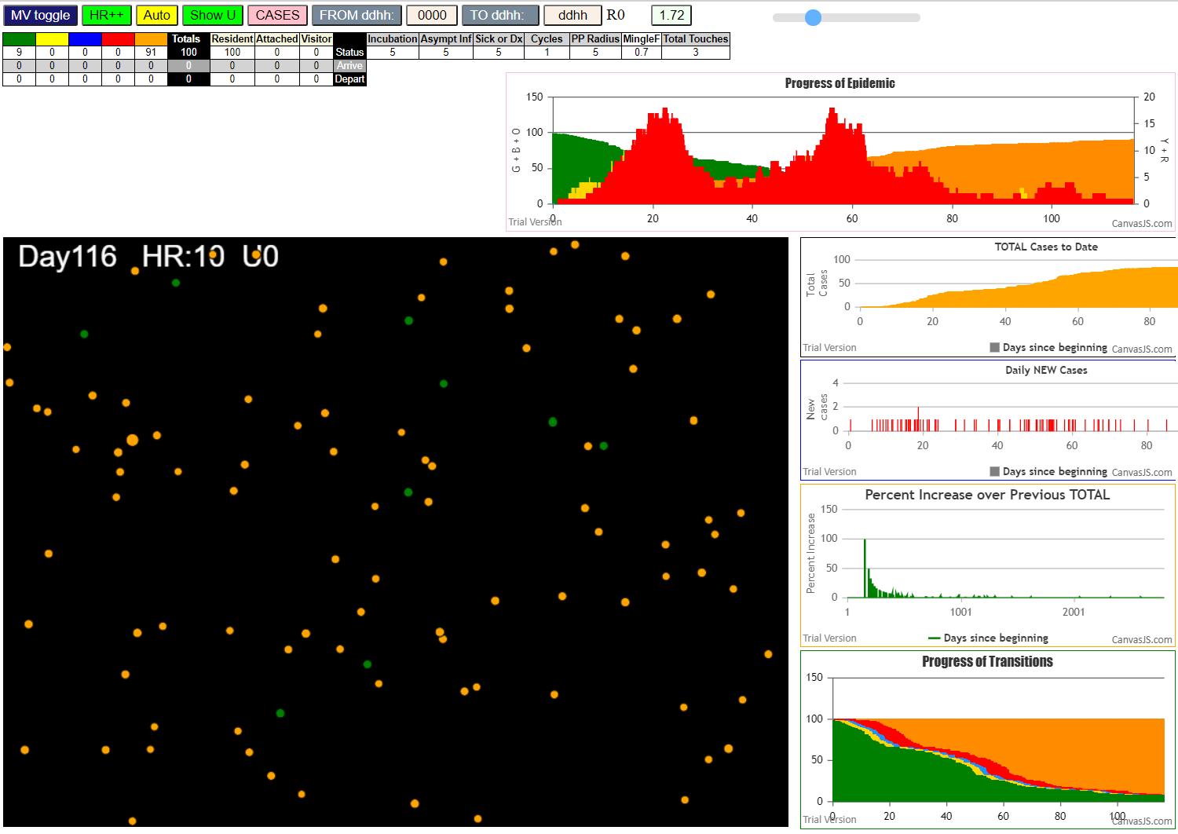
simulation.js:1990 1I j:famKey 64:-1 infected by red i:famKey 5:-1 at gen 34 in Univ0
simulation.js:2006 2I i:famKey 3:-1 infected by red j:famKey 5:-1 at gen 76 in U0
simulation.js:1990 3I j:famKey 26:-1 infected by red i:famKey 5:-1 at gen 90 in Univ0
simulation.js:1990 4I j:famKey 21:-1 infected by red i:famKey 5:-1 at gen 111 in Univ0
simulation.js:1990 5I j:famKey 42:-1 infected by red i:famKey 5:-1 at gen 128 in Univ0
simulation.js:1990 6I j:famKey 62:-1 infected by red i:famKey 5:-1 at gen 141 in Univ0
simulation.js:2006 7I i:famKey 33:-1 infected by red j:famKey 64:-1 at gen 160 in U0
simulation.js:1990 8I j:famKey 53:-1 infected by blue i:famKey 3:-1 at gen 173 in Univ0
simulation.js:1990 9I j:famKey 65:-1 infected by red i:famKey 3:-1 at gen 198 in Univ0
simulation.js:1990 10I j:famKey 15:-1 infected by red i:famKey 3:-1 at gen 218 in Univ0
simulation.js:1990 11I j:famKey 75:-1 infected by blue i:famKey 42:-1 at gen 231 in Univ0
simulation.js:1990 12I j:famKey 84:-1 infected by red i:famKey 64:-1 at gen 254 in Univ0
simulation.js:1990 13I j:famKey 55:-1 infected by red i:famKey 42:-1 at gen 259 in Univ0
simulation.js:2006 14I i:famKey 28:-1 infected by red j:famKey 42:-1 at gen 276 in U0
simulation.js:1990 14I j:famKey 76:-1 infected by red i:famKey 62:-1 at gen 277 in Univ0
simulation.js:1990 16I j:famKey 59:-1 infected by red i:famKey 42:-1 at gen 280 in Univ0
simulation.js:1990 16I j:famKey 74:-1 infected by red i:famKey 42:-1 at gen 280 in Univ0
simulation.js:2006 18I i:famKey 36:-1 infected by red j:famKey 53:-1 at gen 312 in U0
simulation.js:1990 19I j:famKey 82:-1 infected by blue i:famKey 65:-1 at gen 316 in Univ0
simulation.js:1990 20I j:famKey 46:-1 infected by red i:famKey 21:-1 at gen 328 in Univ0
simulation.js:1990 21I j:famKey 35:-1 infected by blue i:famKey 15:-1 at gen 333 in Univ0
simulation.js:1990 21I j:famKey 96:-1 infected by blue i:famKey 15:-1 at gen 333 in Univ0
simulation.js:2006 23I i:famKey 11:-1 infected by blue j:famKey 75:-1 at gen 338 in U0
simulation.js:2006 24I i:famKey 2:-1 infected by red j:famKey 15:-1 at gen 348 in U0
simulation.js:2006 25I i:famKey 31:-1 infected by red j:famKey 33:-1 at gen 370 in U0
simulation.js:1990 26I j:famKey 80:-1 infected by red i:famKey 28:-1 at gen 397 in Univ0
simulation.js:2006 27I i:famKey 56:-1 infected by red j:famKey 75:-1 at gen 399 in U0
simulation.js:2006 28I i:famKey 19:-1 infected by blue j:famKey 74:-1 at gen 403 in U0
simulation.js:2006 29I i:famKey 1:-1 infected by red j:famKey 15:-1 at gen 444 in U0
simulation.js:2006 30I i:famKey 32:-1 infected by red j:famKey 75:-1 at gen 447 in U0 | R0 = 1.72
simulation.js:2006 31I i:famKey 10:-1 infected by red j:famKey 76:-1 at gen 456 in U0
simulation.js:1990 32I j:famKey 86:-1 infected by red i:famKey 84:-1 at gen 462 in Univ0
simulation.js:1990 33I j:famKey 58:-1 infected by red i:famKey 19:-1 at gen 573 in Univ0
simulation.js:1990 33I j:famKey 97:-1 infected by red i:famKey 80:-1 at gen 574 in Univ0
simulation.js:1990 35I j:famKey 90:-1 infected by red i:famKey 2:-1 at gen 628 in Univ0
simulation.js:2006 36I i:famKey 30:-1 infected by blue j:famKey 90:-1 at gen 703 in U0
simulation.js:2006 37I i:famKey 51:-1 infected by red j:famKey 86:-1 at gen 710 in U0
simulation.js:2006 38I i:famKey 22:-1 infected by red j:famKey 90:-1 at gen 786 in U0
simulation.js:1990 39I j:famKey 61:-1 infected by red i:famKey 58:-1 at gen 793 in Univ0
simulation.js:2006 40I i:famKey 0:-1 infected by red j:famKey 58:-1 at gen 854 in U0
simulation.js:2006 40I i:famKey 88:-1 infected by red j:famKey 97:-1 at gen 854 in U0
simulation.js:2006 42I i:famKey 16:-1 infected by blue j:famKey 61:-1 at gen 866 in U0
simulation.js:1990 43I j:famKey 66:-1 infected by red i:famKey 51:-1 at gen 916 in Univ0
simulation.js:1990 44I j:famKey 45:-1 infected by red i:famKey 30:-1 at gen 919 in Univ0
simulation.js:1990 45I j:famKey 87:-1 infected by blue i:famKey 0:-1 at gen 928 in Univ0
simulation.js:2006 46I i:famKey 7:-1 infected by red j:famKey 61:-1 at gen 988 in U0
simulation.js:1990 47I j:famKey 67:-1 infected by blue i:famKey 66:-1 at gen 1014 in Univ0
simulation.js:1990 48I j:famKey 98:-1 infected by blue i:famKey 87:-1 at gen 1027 in Univ0
simulation.js:1990 49I j:famKey 29:-1 infected by red i:famKey 22:-1 at gen 1047 in Univ0
simulation.js:1990 49I j:famKey 40:-1 infected by red i:famKey 16:-1 at gen 1048 in Univ0
simulation.js:2006 49I i:famKey 25:-1 infected by red j:famKey 61:-1 at gen 1048 in U0
simulation.js:1990 52I j:famKey 41:-1 infected by blue i:famKey 7:-1 at gen 1092 in Univ0
simulation.js:1990 53I j:famKey 94:-1 infected by red i:famKey 45:-1 at gen 1097 in Univ0
simulation.js:1990 54I j:famKey 68:-1 infected by blue i:famKey 67:-1 at gen 1119 in Univ0
simulation.js:2006 55I i:famKey 13:-1 infected by blue j:famKey 98:-1 at gen 1138 in U0
simulation.js:2006 55I i:famKey 8:-1 infected by red j:famKey 67:-1 at gen 1139 in U0
simulation.js:1990 57I j:famKey 81:-1 infected by blue i:famKey 25:-1 at gen 1161 in Univ0
simulation.js:2006 58I i:famKey 89:-1 infected by blue j:famKey 94:-1 at gen 1171 in U0
simulation.js:1990 59I j:famKey 12:-1 infected by red i:famKey 7:-1 at gen 1183 in Univ0
simulation.js:2006 60I i:famKey 60:-1 infected by red j:famKey 98:-1 at gen 1187 in U0
simulation.js:2006 61I i:famKey 63:-1 infected by red j:famKey 66:-1 at gen 1189 in U0
simulation.js:2006 62I i:famKey 43:-1 infected by red j:famKey 66:-1 at gen 1192 in U0
simulation.js:1990 63I j:famKey 49:-1 infected by blue i:famKey 41:-1 at gen 1197 in Univ0
simulation.js:2006 64I i:famKey 48:-1 infected by red j:famKey 98:-1 at gen 1207 in U0
simulation.js:2006 65I i:famKey 50:-1 infected by red j:famKey 98:-1 at gen 1211 in U0
simulation.js:2006 66I i:famKey 18:-1 infected by red j:famKey 98:-1 at gen 1219 in U0
simulation.js:2006 67I i:famKey 38:-1 infected by red j:famKey 94:-1 at gen 1277 in U0
simulation.js:1990 68I j:famKey 85:-1 infected by red i:famKey 13:-1 at gen 1302 in Univ0
simulation.js:1990 69I j:famKey 73:-1 infected by blue i:famKey 49:-1 at gen 1304 in Univ0
simulation.js:2006 70I i:famKey 52:-1 infected by red j:famKey 89:-1 at gen 1321 in U0
simulation.js:2006 70I i:famKey 52:-1 infected by red j:famKey 94:-1 at gen 1321 in U0
simulation.js:1990 71I j:famKey 72:-1 infected by red i:famKey 50:-1 at gen 1339 in Univ0
simulation.js:2006 72I i:famKey 4:-1 infected by red j:famKey 60:-1 at gen 1346 in U0
simulation.js:2006 73I i:famKey 20:-1 infected by red j:famKey 48:-1 at gen 1413 in U0
simulation.js:2006 74I i:famKey 39:-1 infected by red j:famKey 85:-1 at gen 1461 in U0
simulation.js:1990 75I j:famKey 44:-1 infected by blue i:famKey 20:-1 at gen 1490 in Univ0
simulation.js:1990 76I j:famKey 6:-1 infected by red i:famKey 4:-1 at gen 1501 in Univ0
simulation.js:2006 77I i:famKey 23:-1 infected by red j:famKey 85:-1 at gen 1527 in U0
simulation.js:1990 78I j:famKey 47:-1 infected by blue i:famKey 39:-1 at gen 1559 in Univ0
simulation.js:2006 78I i:famKey 69:-1 infected by red j:famKey 85:-1 at gen 1559 in U0
simulation.js:1990 80I j:famKey 92:-1 infected by red i:famKey 39:-1 at gen 1604 in Univ0
simulation.js:2006 81I i:famKey 54:-1 infected by red j:famKey 72:-1 at gen 1638 in U0
simulation.js:1990 82I j:famKey 70:-1 infected by red i:famKey 23:-1 at gen 1726 in Univ0
simulation.js:2006 83I i:famKey 17:-1 infected by red j:famKey 23:-1 at gen 1810 in U0
simulation.js:1990 84I j:famKey 71:-1 infected by red i:famKey 70:-1 at gen 1933 in Univ0
simulation.js:1990 85I j:famKey 78:-1 infected by red i:famKey 71:-1 at gen 2087 in Univ0
simulation.js:2006 86I i:famKey 9:-1 infected by blue j:famKey 78:-1 at gen 2196 in U0
simulation.js:2006 87I i:famKey 37:-1 infected by red j:famKey 78:-1 at gen 2211 in U0
simulation.js:1990 88I j:famKey 99:-1 infected by red i:famKey 78:-1 at gen 2246 in Univ0
simulation.js:1990 89I j:famKey 79:-1 infected by red i:famKey 78:-1 at gen 2344 in Univ0
simulation.js:1990 90I j:famKey 95:-1 infected by red i:famKey 79:-1 at gen 2469 in Univ0

Sheet3
File {name: "VL1.csv", lastModified: 1608081530000, lastModifiedDate: Tue Dec 15 2020 17:18:50 GMT-0800 (Pacific Standard Time), webkitRelativePath: "", size: 65, …}
simulation.js:1990 1I j:famKey 45:-1 infected by red i:famKey 5:-1 at gen 26 in Univ0
simulation.js:1990 2I j:famKey 37:-1 infected by red i:famKey 5:-1 at gen 33 in Univ0
simulation.js:2006 3I i:famKey 4:-1 infected by red j:famKey 5:-1 at gen 104 in U0
simulation.js:1990 4I j:famKey 26:-1 infected by red i:famKey 5:-1 at gen 119 in Univ0 |  |  |  | 0.7 with 50
simulation.js:2006 5I i:famKey 29:-1 infected by red j:famKey 45:-1 at gen 302 in U0
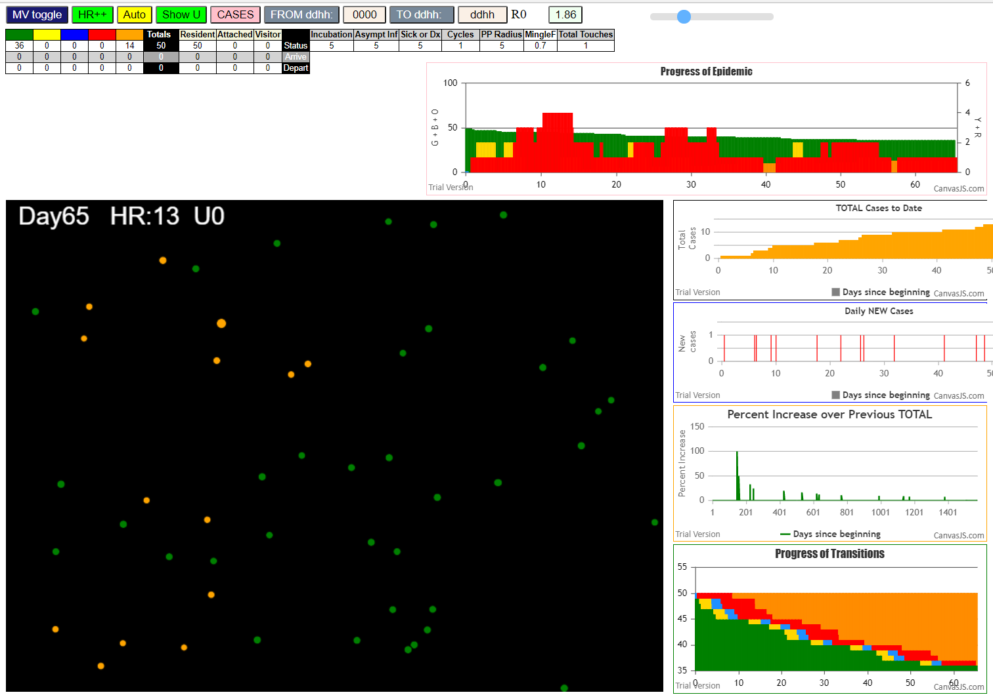
simulation.js:2006 6I i:famKey 27:-1 infected by blue j:famKey 29:-1 at gen 416 in U0
simulation.js:1990 7I j:famKey 39:-1 infected by red i:famKey 29:-1 at gen 502 in Univ0
simulation.js:1990 8I j:famKey 38:-1 infected by red i:famKey 29:-1 at gen 516 in Univ0
simulation.js:1990 9I j:famKey 41:-1 infected by red i:famKey 38:-1 at gen 649 in Univ0
simulation.js:2006 10I i:famKey 14:-1 infected by red j:famKey 41:-1 at gen 869 in U0
simulation.js:1990 11I j:famKey 49:-1 infected by red i:famKey 14:-1 at gen 1014 in Univ0
simulation.js:2006 12I i:famKey 8:-1 infected by red j:famKey 14:-1 at gen 1046 in U0
simulation.js:2006 13I i:famKey 7:-1 infected by red j:famKey 8:-1 at gen 1257 in U0

 |  |  |  | 0.7 with 30

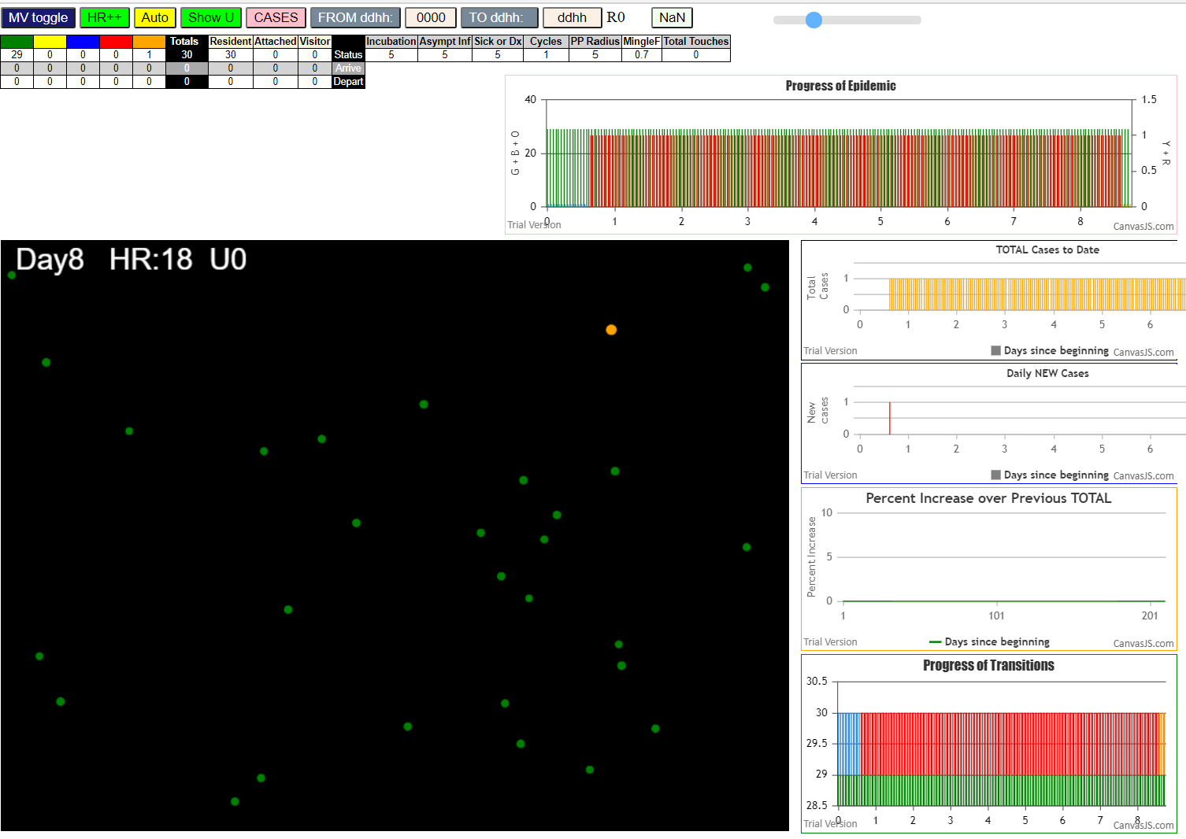

 |  |  | none

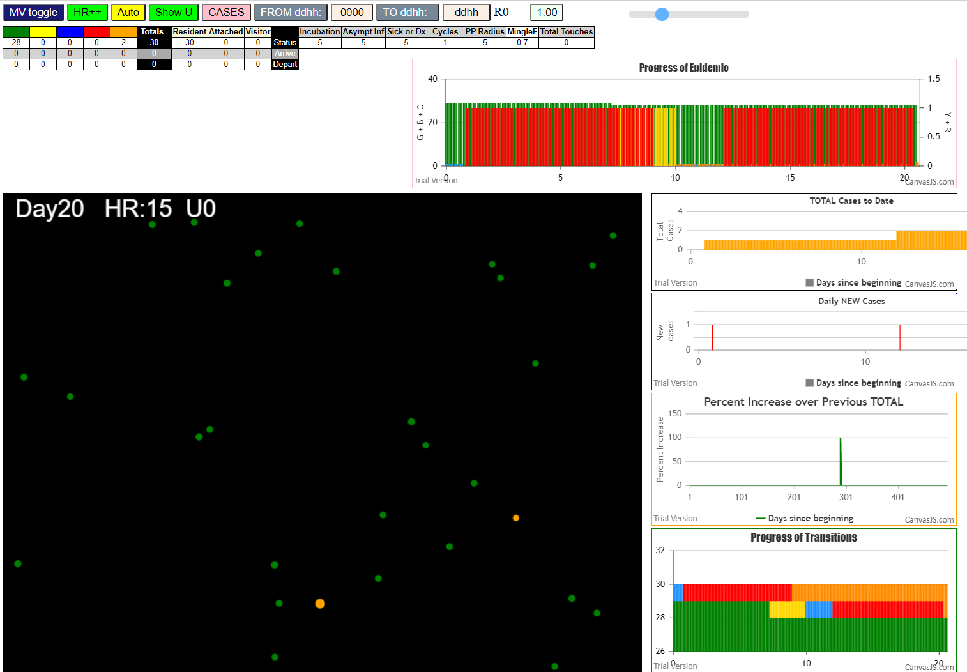

 |  |  | R0 = 1

 | File {name: "VL1.csv", lastModified: 1608081530000, lastModifiedDate: Tue Dec 15 2020 17:18:50 GMT-0800 (Pacific Standard Time), webkitRelativePath: "", size: 65, …}
 | simulation.js:1990 1I j:famKey 22:-1 infected by red i:famKey 5:-1 at gen 175 in Univ0

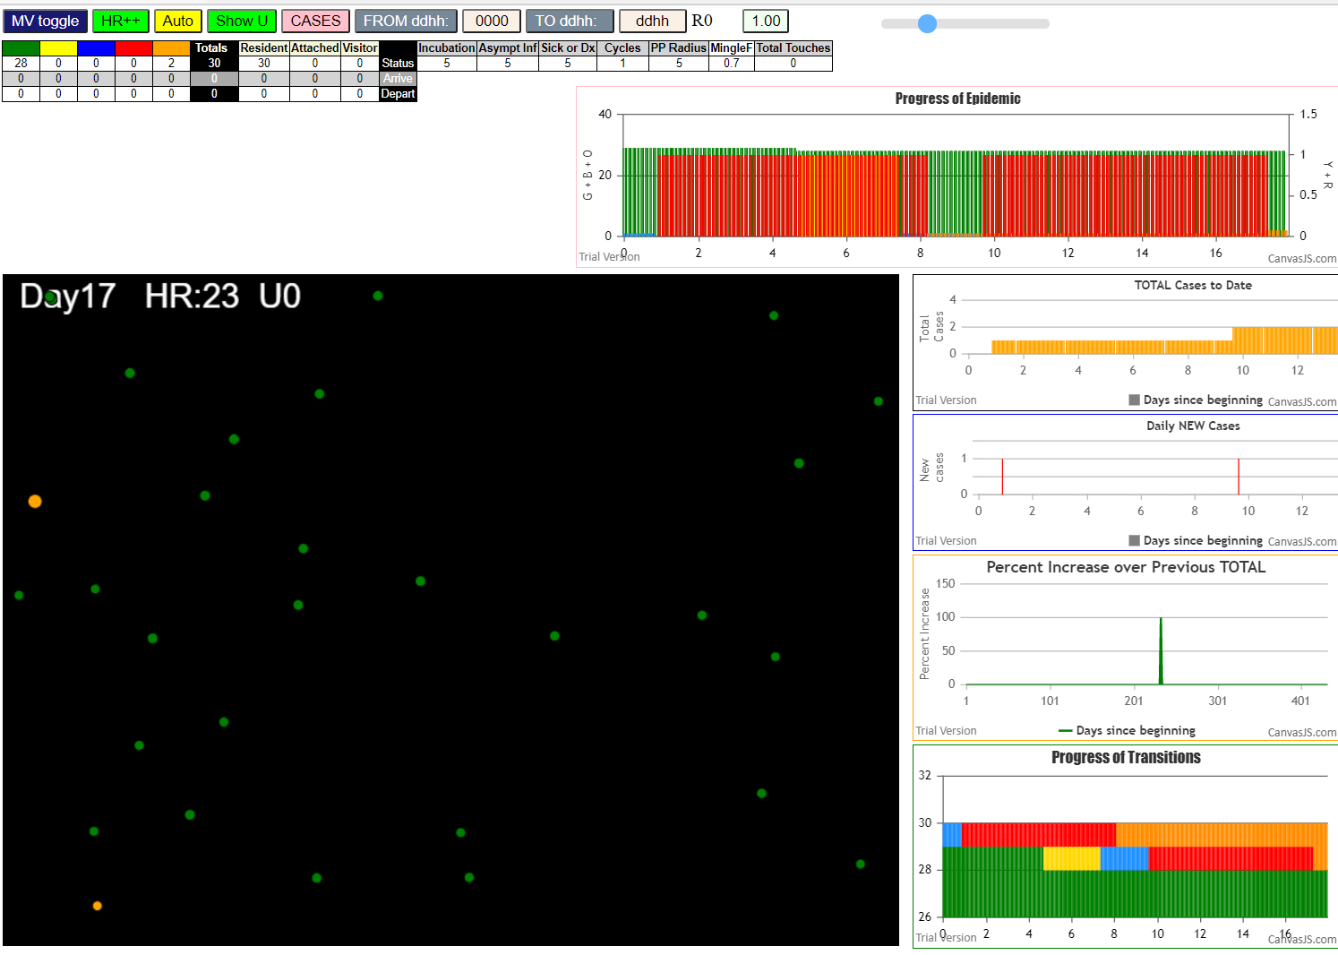

 | File {name: "VL1.csv", lastModified: 1608081530000, lastModifiedDate: Tue Dec 15 2020 17:18:50 GMT-0800 (Pacific Standard Time), webkitRelativePath: "", size: 65, …}
 | simulation.js:1990 1I j:famKey 17:-1 infected by red i:famKey 5:-1 at gen 113 in Univ0

 |  |  | 0.1

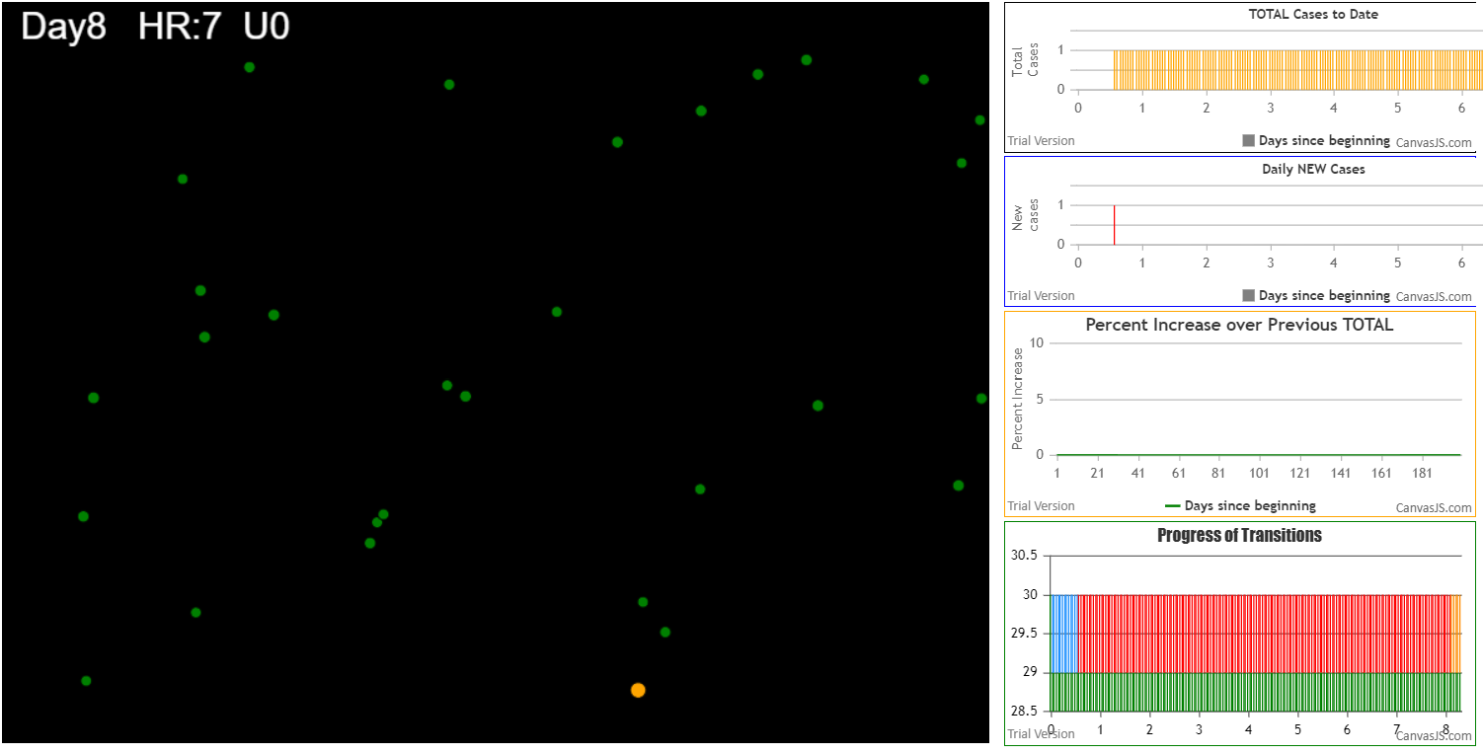
 |  |  | zero

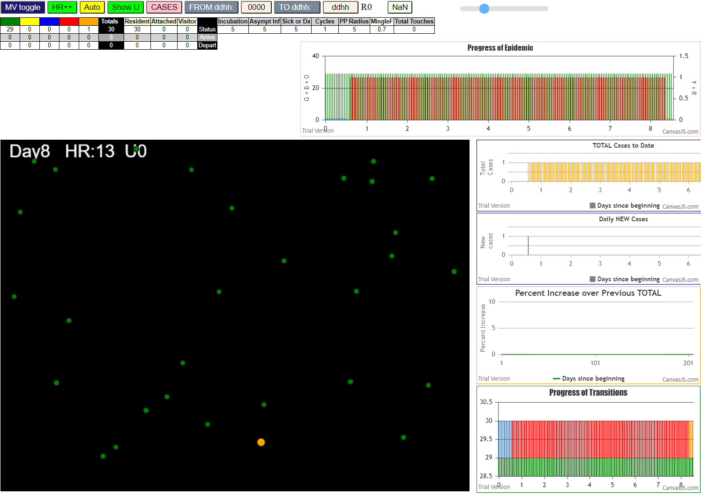

 |  |  | zero

 |  | 2 in 5 runs average 0.4 transmissions

